Form
IMSE Department-Database

Data
Name | Last Name | Middle Name | Gender | BOB | U number | Camous location | Admission Year | Graduation Year | SSN | Address | City | State | Country | Zip Code | Image
smokey |  |  | Female |  | U1111
Antonieta | Della Sala | Sofia | Female | 2002-10-04 | U91110462 | Tampa campus | 2023 | 2026 |  | 42nd St | Tampa | Florida | United States of America | 33613
Ronald | Garcia | Allen | Male | 2002-10-23 | U2323 | Tampa campus | 2021 | 2025 | 5678 | RITOR | Tampa | Florida | USA | 33613
Anto | DellaSala |  | Female |  | U12345 | Tampa campus |  | 2029 |  |  |  |  |  |  |  [Image Embedded]
Antonieta | Della Sala |  | Female |  | U9999 | Sarasota-Manatee campus |  | 2030 |  |  |  |  |  |  |  [Image Embedded]
justin |  |  | Female |  | U7733 |  |  | 2056 | 1 |  |  |  |  |  |  [Image Embedded]
Ronita | Garcia | Allena | Female | 2003-10-09 | U4444 | Sarasota-Manatee campus | 2021 | 2024 | 6767 | Osborn | Tampa | Florida | USA | 3234 |  [Image Embedded]
Antonio | Della Sala | Jose | Male | 1970-03-25 | U789 | St. Petersburg campus | 2002 | 2004 | 7778 | Iselle Dr | Orlando | Florida | USA | 32827 | 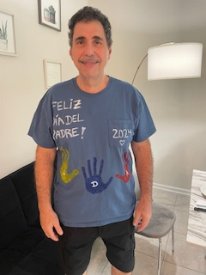 [Image Embedded]

SearchResult
Name | Last Name | Middle Name | Gender | BOB | U number | Camous location | Admission Year | Graduation Year | SSN | Address | City | State | Country | Zip Code | Image
Antonieta | Della Sala | Sofia | Female | 2002-10-04 | U91110462 | Tampa campus | 2023 | 2026 |  | 42nd St | Tampa | Florida | United States of America | 33613
Antonieta | Della Sala |  | Female |  | U9999 | Sarasota-Manatee campus |  | 2030 |  |  |  |  |  |  |  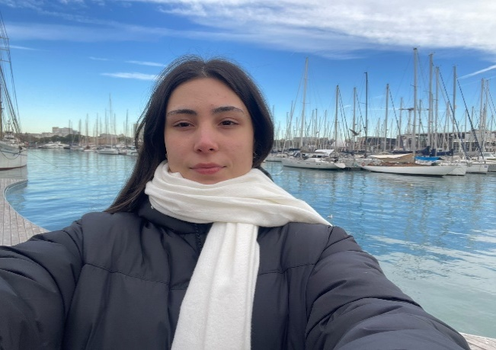 [Image Embedded]
Antonio | Della Sala | Jose | Male | 1970-03-25 | U789 | St. Petersburg campus | 2002 | 2004 | 7778 | Iselle Dr | Orlando | Florida | USA | 32827 | [Image Embedded]

